Multi-Mapping-HeatExchanger
File name | Heater_Cooler.hsc
Unit Operation | Cooler, E-100

Workflow (please see detailed test case on P4)
1. Open attached Heater_Cooler.hsc file.
2. Click on Datasheet button, select a server and workspace to connect .
3. Click on Mapper tab, click on the "Cooler" on the "Flowsheet Object" tab. Make sure Object Mapping screen opens, and the ports are mapped automactially in Port Mapping section.
4. Select "HeatExchangerSide" under "Map As" column, and " Create" under "Workspace Object" column. Close the Object Mapping screen by clicking "x" at the top right corner.
5. Repeat step 3-4 for the heater "E-100". Click Save Change and Transfer.
6. Click on the Explorer tab, create a Shell and Tube Heat Exchanger in by Equipment view.
7. In the attribute view, click on "Show/Hide properties" icon, and select "Show All Atrribuetes".
8. Scroll down to "ColdSide", right click on Design column, and select "Insert Subobject" in the context menu.
9. Select the "existing Object" radio button and select "Cooler<HeatExchangerSide>" Object and click OK.
10. Click on the "Default Attributes" icon above the attribute grid.
11. Confirm the following: a. The Assemblies Attribute will show the ThermalSide; Hot or Cold and the PhysicalSide: Shell or Tube of the Heat Exchanger. The Cold Side is by default the Shell Side of the Exchanger b. The Material Ports flow information for the Shell Side have been populated with the Material Ports information from the Cold Side c. The HeatDuty under the PerformanceCriteria have also been populated with the Heat Duty from the Cold Side
12. Repeat steps 8-11 for HotSide. Confirm: a. Confirm the Material Ports under the Tube Side have been populated with the Material Ports information from the Hot Side b. Confirm the Heat Duty under the PerformanceCriteria has been overwritten with the Heat Duty from the Hot Side (the Heat duty of the heat exchanger will be equal to the last heat exchanger side added to it)

Expected Results

Multimapping-HX (CQ00747904)

Index Number | Attributes | Hysys Attributes Name | ABE Default Attributes | Hysys Value | Units

Hot Side
8 | Duty | Duty | Performance.PerformanceData(1).HeatDuty | 11722.845532 | W
Curves | Enthalpy | HotSideCurves.EnthalpyMoleBasis(1) | HotSide.FluidProfilesTable.EnthalpyMoleBasis(1) | -49269.312914 | kJ/kgmole
 | Enthalpy | HotSideCurves.EnthalpyMoleBasis(2) | HotSide.FluidProfilesTable.EnthalpyMoleBasis(2) | -51118.113664 | kJ/kgmole
 | Enthalpy | HotSideCurves.EnthalpyMoleBasis(3) | HotSide.FluidProfilesTable.EnthalpyMoleBasis(3) | -52926.703348 | kJ/kgmole
 | Enthalpy | HotSideCurves.EnthalpyMoleBasis(4) | HotSide.FluidProfilesTable.EnthalpyMoleBasis(4) | -54694.161366 | kJ/kgmole
 | Enthalpy | HotSideCurves.EnthalpyMoleBasis(5) | HotSide.FluidProfilesTable.EnthalpyMoleBasis(5) | -56419.666025 | kJ/kgmole
 | Enthalpy | HotSideCurves.EnthalpyMoleBasis(6) | HotSide.FluidProfilesTable.EnthalpyMoleBasis(6) | -58102.509885 | kJ/kgmole
 | Enthalpy | HotSideCurves.EnthalpyMoleBasis(7) | HotSide.FluidProfilesTable.EnthalpyMoleBasis(7) | -59742.116503 | kJ/kgmole
 | Enthalpy | HotSideCurves.EnthalpyMoleBasis(8) | HotSide.FluidProfilesTable.EnthalpyMoleBasis(8) | -61338.059088 | kJ/kgmole
 | Enthalpy | HotSideCurves.EnthalpyMoleBasis(9) | HotSide.FluidProfilesTable.EnthalpyMoleBasis(9) | -62890.081816 | kJ/kgmole
 | Enthalpy | HotSideCurves.EnthalpyMoleBasis(10) | HotSide.FluidProfilesTable.EnthalpyMoleBasis(10) | -64398.124899 | kJ/kgmole
 | Enthalpy | HotSideCurves.EnthalpyMoleBasis(11) | HotSide.FluidProfilesTable.EnthalpyMoleBasis(11) | -65862.355102 | kJ/kgmole | HotSide
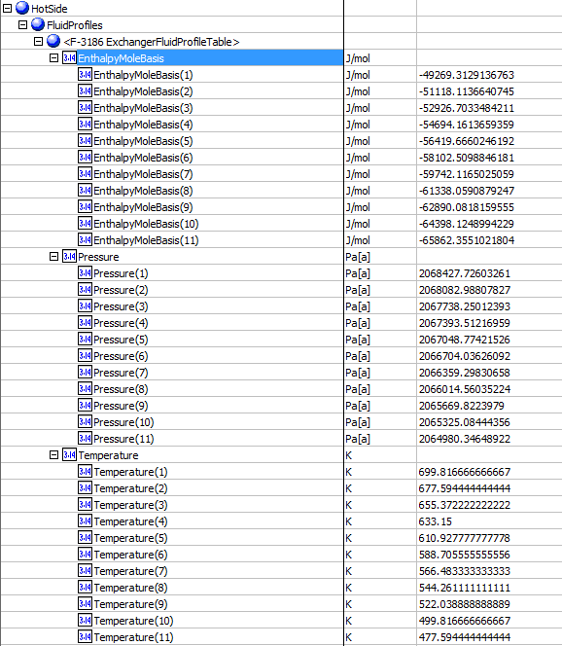
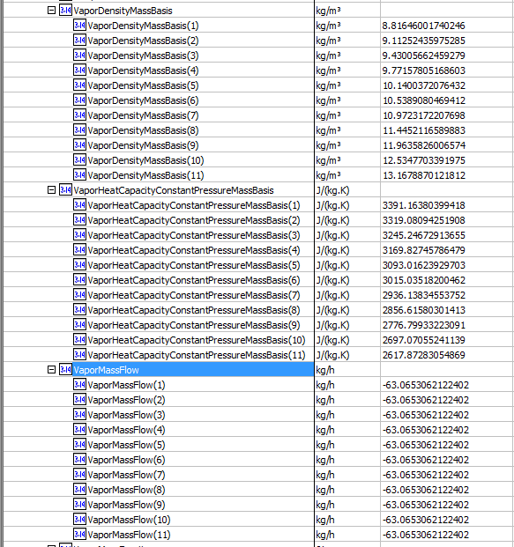
Curves | Pressure | HotSide.Curves.Pressure (1) | HotSide.FluidProfilesTable.Pressure (1) | 2068.427726 | kPa
 | Pressure | HotSide.Curves.Pressure (2) | HotSide.FluidProfilesTable.Pressure (2) | 2068.0829881 | kPa
 | Pressure | HotSide.Curves.Pressure (3) | HotSide.FluidProfilesTable.Pressure (3) | 2067.7382501 | kPa
 | Pressure | HotSide.Curves.Pressure (4) | HotSide.FluidProfilesTable.Pressure (4) | 2067.3935122 | kPa
 | Pressure | HotSide.Curves.Pressure (5) | HotSide.FluidProfilesTable.Pressure (5) | 2067.0487742 | kPa
 | Pressure | HotSide.Curves.Pressure (6) | HotSide.FluidProfilesTable.Pressure (6) | 2066.7040363 | kPa
 | Pressure | HotSide.Curves.Pressure (7) | HotSide.FluidProfilesTable.Pressure (7) | 2066.3592983 | kPa
 | Pressure | HotSide.Curves.Pressure (8) | HotSide.FluidProfilesTable.Pressure (8) | 2066.0145604 | kPa
 | Pressure | HotSide.Curves.Pressure (9) | HotSide.FluidProfilesTable.Pressure (9) | 2065.6698224 | kPa
 | Pressure | HotSide.Curves.Pressure (10) | HotSide.FluidProfilesTable.Pressure (10) | 2065.3250844 | kPa
 | Pressure | HotSide.Curves.Pressure (11) | HotSide.FluidProfilesTable.Pressure (11) | 2064.9803465 | kPa
Curves | Temperature | HotSide.Curves.Temperature(1) | HotSide.FluidProfilesTable.Temperature(1) | 699.81666667 | K
 | Temperature | HotSide.Curves.Temperature(2) | HotSide.FluidProfilesTable.Temperature(2) | 677.59444444 | K
 | Temperature | HotSide.Curves.Temperature(3) | HotSide.FluidProfilesTable.Temperature(3) | 655.37222222 | K
 | Temperature | HotSide.Curves.Temperature(4) | HotSide.FluidProfilesTable.Temperature(4) | 633.15 | K
 | Temperature | HotSide.Curves.Temperature(5) | HotSide.FluidProfilesTable.Temperature(5) | 610.92777778 | K
 | Temperature | HotSide.Curves.Temperature(6) | HotSide.FluidProfilesTable.Temperature(6) | 588.70555556 | K
 | Temperature | HotSide.Curves.Temperature(7) | HotSide.FluidProfilesTable.Temperature(7) | 566.48333333 | K
 | Temperature | HotSide.Curves.Temperature(8) | HotSide.FluidProfilesTable.Temperature(8) | 544.26111111 | K
 | Temperature | HotSide.Curves.Temperature(9) | HotSide.FluidProfilesTable.Temperature(9) | 522.03888889 | K
 | Temperature | HotSide.Curves.Temperature(10) | HotSide.FluidProfilesTable.Temperature(10) | 499.81666667 | K
 | Temperature | HotSide.Curves.Temperature(11) | HotSide.FluidProfilesTable.Temperature(11) | 477.59444444 | K
Curves | Vapor Density | HotSideCurves.VaporDensityMassBasis(1) | HotSide.FluidProfilesTable.VaporDensityMassBasis(1) | 8.8164600174 | kg/m3
 | Vapor Density | HotSideCurves.VaporDensityMassBasis(2) | HotSide.FluidProfilesTable.VaporDensityMassBasis(2) | 9.1125243598 | kg/m3
 | Vapor Density | HotSideCurves.VaporDensityMassBasis(3) | HotSide.FluidProfilesTable.VaporDensityMassBasis(3) | 9.4300566246 | kg/m3
 | Vapor Density | HotSideCurves.VaporDensityMassBasis(4) | HotSide.FluidProfilesTable.VaporDensityMassBasis(4) | 9.7715780517 | kg/m3
 | Vapor Density | HotSideCurves.VaporDensityMassBasis(5) | HotSide.FluidProfilesTable.VaporDensityMassBasis(5) | 10.140037208 | kg/m3
 | Vapor Density | HotSideCurves.VaporDensityMassBasis(6) | HotSide.FluidProfilesTable.VaporDensityMassBasis(6) | 10.538908047 | kg/m3
 | Vapor Density | HotSideCurves.VaporDensityMassBasis(7) | HotSide.FluidProfilesTable.VaporDensityMassBasis(7) | 10.972317221 | kg/m3
 | Vapor Density | HotSideCurves.VaporDensityMassBasis(8) | HotSide.FluidProfilesTable.VaporDensityMassBasis(8) | 11.445211659 | kg/m3
 | Vapor Density | HotSideCurves.VaporDensityMassBasis(9) | HotSide.FluidProfilesTable.VaporDensityMassBasis(9) | 11.963582601 | kg/m3
 | Vapor Density | HotSideCurves.VaporDensityMassBasis(10) | HotSide.FluidProfilesTable.VaporDensityMassBasis(10) | 12.534770339 | kg/m3
 | Vapor Density | HotSideCurves.VaporDensityMassBasis(11) | HotSide.FluidProfilesTable.VaporDensityMassBasis(11) | 13.167887012 | kg/m3
Curves | Vapor Mass Flow | HotSide.Curves.VaporMassFlow(1) | HotSide.FluidProfilesTable.VaporMassFlow(1) | -63.065306717 | kg/h
 | Vapor Mass Flow | HotSide.Curves.VaporMassFlow(2) | HotSide.FluidProfilesTable.VaporMassFlow(2) | -63.065306717 | kg/h
 | Vapor Mass Flow | HotSide.Curves.VaporMassFlow(3) | HotSide.FluidProfilesTable.VaporMassFlow(3) | -63.065306717 | kg/h
 | Vapor Mass Flow | HotSide.Curves.VaporMassFlow(4) | HotSide.FluidProfilesTable.VaporMassFlow(4) | -63.065306717 | kg/h
 | Vapor Mass Flow | HotSide.Curves.VaporMassFlow(5) | HotSide.FluidProfilesTable.VaporMassFlow(5) | -63.065306717 | kg/h
 | Vapor Mass Flow | HotSide.Curves.VaporMassFlow(6) | HotSide.FluidProfilesTable.VaporMassFlow(6) | -63.065306717 | kg/h
 | Vapor Mass Flow | HotSide.Curves.VaporMassFlow(7) | HotSide.FluidProfilesTable.VaporMassFlow(7) | -63.065306717 | kg/h
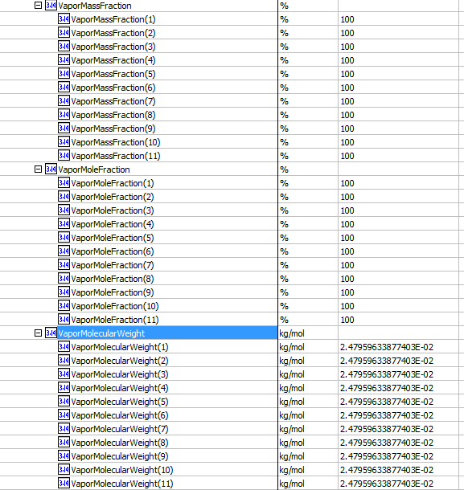
 | Vapor Mass Flow | HotSide.Curves.VaporMassFlow(8) | HotSide.FluidProfilesTable.VaporMassFlow(8) | -63.065306717 | kg/h
 | Vapor Mass Flow | HotSide.Curves.VaporMassFlow(9) | HotSide.FluidProfilesTable.VaporMassFlow(9) | -63.065306717 | kg/h
 | Vapor Mass Flow | HotSide.Curves.VaporMassFlow(10) | HotSide.FluidProfilesTable.VaporMassFlow(10) | -63.065306717 | kg/h
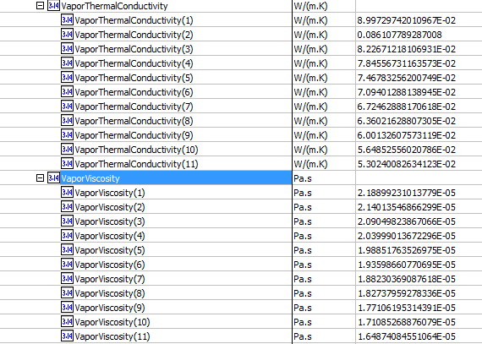
 | Vapor Mass Flow | HotSide.Curves.VaporMassFlow(11) | HotSide.FluidProfilesTable.VaporMassFlow(11) | -63.065306717 | kg/h
Curves | Vapor Phase Mass Fraction | HotSide.Curves.VaporMassFraction(1) | HotSide.FluidProfilesTable.VaporMassFraction(1) | 1
 | Vapor Phase Mass Fraction | HotSide.Curves.VaporMassFraction(2) | HotSide.FluidProfilesTable.VaporMassFraction(2) | 1
 | Vapor Phase Mass Fraction | HotSide.Curves.VaporMassFraction(3) | HotSide.FluidProfilesTable.VaporMassFraction(3) | 1
 | Vapor Phase Mass Fraction | HotSide.Curves.VaporMassFraction(4) | HotSide.FluidProfilesTable.VaporMassFraction(4) | 1
 | Vapor Phase Mass Fraction | HotSide.Curves.VaporMassFraction(5) | HotSide.FluidProfilesTable.VaporMassFraction(5) | 1
 | Vapor Phase Mass Fraction | HotSide.Curves.VaporMassFraction(6) | HotSide.FluidProfilesTable.VaporMassFraction(6) | 1
 | Vapor Phase Mass Fraction | HotSide.Curves.VaporMassFraction(7) | HotSide.FluidProfilesTable.VaporMassFraction(7) | 1
 | Vapor Phase Mass Fraction | HotSide.Curves.VaporMassFraction(8) | HotSide.FluidProfilesTable.VaporMassFraction(8) | 1
 | Vapor Phase Mass Fraction | HotSide.Curves.VaporMassFraction(9) | HotSide.FluidProfilesTable.VaporMassFraction(9) | 1
 | Vapor Phase Mass Fraction | HotSide.Curves.VaporMassFraction(10) | HotSide.FluidProfilesTable.VaporMassFraction(10) | 1
 | Vapor Phase Mass Fraction | HotSide.Curves.VaporMassFraction(11) | HotSide.FluidProfilesTable.VaporMassFraction(11) | 1
Curves | Vapor Frac. | HotSide.Curves.VaporMoleFraction(1) | HotSide.FluidProfilesTable.VaporMoleFraction(1) | 1
 | Vapor Frac. | HotSide.Curves.VaporMoleFraction(2) | HotSide.FluidProfilesTable.VaporMoleFraction(2) | 1
 | Vapor Frac. | HotSide.Curves.VaporMoleFraction(3) | HotSide.FluidProfilesTable.VaporMoleFraction(3) | 1
 | Vapor Frac. | HotSide.Curves.VaporMoleFraction(4) | HotSide.FluidProfilesTable.VaporMoleFraction(4) | 1
 | Vapor Frac. | HotSide.Curves.VaporMoleFraction(5) | HotSide.FluidProfilesTable.VaporMoleFraction(5) | 1
 | Vapor Frac. | HotSide.Curves.VaporMoleFraction(6) | HotSide.FluidProfilesTable.VaporMoleFraction(6) | 1
 | Vapor Frac. | HotSide.Curves.VaporMoleFraction(7) | HotSide.FluidProfilesTable.VaporMoleFraction(7) | 1
 | Vapor Frac. | HotSide.Curves.VaporMoleFraction(8) | HotSide.FluidProfilesTable.VaporMoleFraction(8) | 1
 | Vapor Frac. | HotSide.Curves.VaporMoleFraction(9) | HotSide.FluidProfilesTable.VaporMoleFraction(9) | 1
 | Vapor Frac. | HotSide.Curves.VaporMoleFraction(10) | HotSide.FluidProfilesTable.VaporMoleFraction(10) | 1
 | Vapor Frac. | HotSide.Curves.VaporMoleFraction(11) | HotSide.FluidProfilesTable.VaporMoleFraction(11) | 1
Curves | Vapor MV | HotSide.Curves.VaporMolecularWeight(1) | HotSide.FluidProfilesTable.VaporMolecularWeight(1) | 24.795963388 | g/mol
 | Vapor MV | HotSide.Curves.VaporMolecularWeight(2) | HotSide.FluidProfilesTable.VaporMolecularWeight(2) | 24.795963388 | g/mol
 | Vapor MV | HotSide.Curves.VaporMolecularWeight(3) | HotSide.FluidProfilesTable.VaporMolecularWeight(3) | 24.795963388 | g/mol
 | Vapor MV | HotSide.Curves.VaporMolecularWeight(4) | HotSide.FluidProfilesTable.VaporMolecularWeight(4) | 24.795963388 | g/mol
 | Vapor MV | HotSide.Curves.VaporMolecularWeight(5) | HotSide.FluidProfilesTable.VaporMolecularWeight(5) | 24.795963388 | g/mol
 | Vapor MV | HotSide.Curves.VaporMolecularWeight(6) | HotSide.FluidProfilesTable.VaporMolecularWeight(6) | 24.795963388 | g/mol
 | Vapor MV | HotSide.Curves.VaporMolecularWeight(7) | HotSide.FluidProfilesTable.VaporMolecularWeight(7) | 24.795963388 | g/mol
 | Vapor MV | HotSide.Curves.VaporMolecularWeight(8) | HotSide.FluidProfilesTable.VaporMolecularWeight(8) | 24.795963388 | g/mol
 | Vapor MV | HotSide.Curves.VaporMolecularWeight(9) | HotSide.FluidProfilesTable.VaporMolecularWeight(9) | 24.795963388 | g/mol
 | Vapor MV | HotSide.Curves.VaporMolecularWeight(10) | HotSide.FluidProfilesTable.VaporMolecularWeight(10) | 24.795963388 | g/mol
 | Vapor MV | HotSide.Curves.VaporMolecularWeight(11) | HotSide.FluidProfilesTable.VaporMolecularWeight(11) | 24.795963388 | g/mol
Curves | Vapor Thermal Cond. | HotSide.Curves.VaporThermalConductivity(1) | HotSide.FluidProfilesTable.VaporThermalConductivity(1) | 0.089972974201 | W/m-K
 | Vapor Thermal Cond. | HotSide.Curves.VaporThermalConductivity(2) | HotSide.FluidProfilesTable.VaporThermalConductivity(2) | 0.086107789287 | W/m-K
 | Vapor Thermal Cond. | HotSide.Curves.VaporThermalConductivity(3) | HotSide.FluidProfilesTable.VaporThermalConductivity(3) | 0.082267121811 | W/m-K
 | Vapor Thermal Cond. | HotSide.Curves.VaporThermalConductivity(4) | HotSide.FluidProfilesTable.VaporThermalConductivity(4) | 0.078455673116 | W/m-K
 | Vapor Thermal Cond. | HotSide.Curves.VaporThermalConductivity(5) | HotSide.FluidProfilesTable.VaporThermalConductivity(5) | 0.07467832562 | W/m-K
 | Vapor Thermal Cond. | HotSide.Curves.VaporThermalConductivity(6) | HotSide.FluidProfilesTable.VaporThermalConductivity(6) | 0.070940128814 | W/m-K
 | Vapor Thermal Cond. | HotSide.Curves.VaporThermalConductivity(7) | HotSide.FluidProfilesTable.VaporThermalConductivity(7) | 0.067246288817 | W/m-K
 | Vapor Thermal Cond. | HotSide.Curves.VaporThermalConductivity(8) | HotSide.FluidProfilesTable.VaporThermalConductivity(8) | 0.063602162881 | W/m-K
 | Vapor Thermal Cond. | HotSide.Curves.VaporThermalConductivity(9) | HotSide.FluidProfilesTable.VaporThermalConductivity(9) | 0.060013260757 | W/m-K
 | Vapor Thermal Cond. | HotSide.Curves.VaporThermalConductivity(10) | HotSide.FluidProfilesTable.VaporThermalConductivity(10) | 0.056485255602 | W/m-K
 | Vapor Thermal Cond. | HotSide.Curves.VaporThermalConductivity(11) | HotSide.FluidProfilesTable.VaporThermalConductivity(11) | 0.053024008263 | W/m-K
Curves | Vapor Viscosity | HotSide.Curves.VaporViscosity(1) | HotSide.FluidProfilesTable.VaporViscosity(1) | 0.021889923101 | cP
 | Vapor Viscosity | HotSide.Curves.VaporViscosity(2) | HotSide.FluidProfilesTable.VaporViscosity(2) | 0.021401354687 | cP
 | Vapor Viscosity | HotSide.Curves.VaporViscosity(3) | HotSide.FluidProfilesTable.VaporViscosity(3) | 0.020904982387 | cP
 | Vapor Viscosity | HotSide.Curves.VaporViscosity(4) | HotSide.FluidProfilesTable.VaporViscosity(4) | 0.020399901367 | cP
 | Vapor Viscosity | HotSide.Curves.VaporViscosity(5) | HotSide.FluidProfilesTable.VaporViscosity(5) | 0.019885176353 | cP
 | Vapor Viscosity | HotSide.Curves.VaporViscosity(6) | HotSide.FluidProfilesTable.VaporViscosity(6) | 0.019359866077 | cP
 | Vapor Viscosity | HotSide.Curves.VaporViscosity(7) | HotSide.FluidProfilesTable.VaporViscosity(7) | 0.018823036909 | cP
 | Vapor Viscosity | HotSide.Curves.VaporViscosity(8) | HotSide.FluidProfilesTable.VaporViscosity(8) | 0.018273795928 | cP
 | Vapor Viscosity | HotSide.Curves.VaporViscosity(9) | HotSide.FluidProfilesTable.VaporViscosity(9) | 0.017710619531 | cP
 | Vapor Viscosity | HotSide.Curves.VaporViscosity(10) | HotSide.FluidProfilesTable.VaporViscosity(10) | 0.017108526888 | cP
 | Vapor Viscosity | HotSide.Curves.VaporViscosity(11) | HotSide.FluidProfilesTable.VaporViscosity(11) | 0.016487408455 | cP

Cold Side
8 | Duty | Duty | Performance.PerformanceData(1).HeatDuty | 11722.845532 | W
Curves | Enthalpy | ColdSideCurves.EnthalpyMoleBasis(1) | ColdSide.FluidProfilesTable.EnthalpyMoleBasis(1) | -89310.091438 | kJ/kgmole
 | Enthalpy | ColdSideCurves.EnthalpyMoleBasis(2) | ColdSide.FluidProfilesTable.EnthalpyMoleBasis(2) | -86871.453514 | kJ/kgmole
 | Enthalpy | ColdSideCurves.EnthalpyMoleBasis(3) | ColdSide.FluidProfilesTable.EnthalpyMoleBasis(3) | -83771.697583 | kJ/kgmole
 | Enthalpy | ColdSideCurves.EnthalpyMoleBasis(4) | ColdSide.FluidProfilesTable.EnthalpyMoleBasis(4) | -79954.774902 | kJ/kgmole
 | Enthalpy | ColdSideCurves.EnthalpyMoleBasis(5) | ColdSide.FluidProfilesTable.EnthalpyMoleBasis(5) | -77259.196694 | kJ/kgmole
 | Enthalpy | ColdSideCurves.EnthalpyMoleBasis(6) | ColdSide.FluidProfilesTable.EnthalpyMoleBasis(6) | -76693.59952 | kJ/kgmole
 | Enthalpy | ColdSideCurves.EnthalpyMoleBasis(7) | ColdSide.FluidProfilesTable.EnthalpyMoleBasis(7) | -76121.109171 | kJ/kgmole
 | Enthalpy | ColdSideCurves.EnthalpyMoleBasis(8) | ColdSide.FluidProfilesTable.EnthalpyMoleBasis(8) | -75540.790441 | kJ/kgmole
 | Enthalpy | ColdSideCurves.EnthalpyMoleBasis(9) | ColdSide.FluidProfilesTable.EnthalpyMoleBasis(9) | -74951.906001 | kJ/kgmole
 | Enthalpy | ColdSideCurves.EnthalpyMoleBasis(10) | ColdSide.FluidProfilesTable.EnthalpyMoleBasis(10) | -74353.862228 | kJ/kgmole | ColdSide
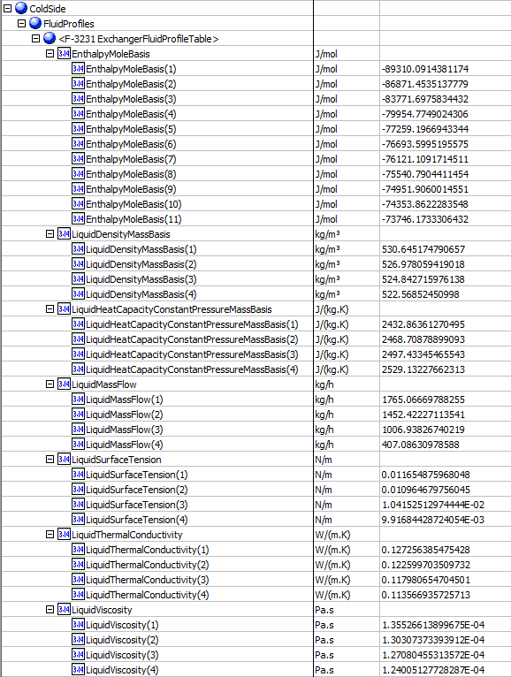
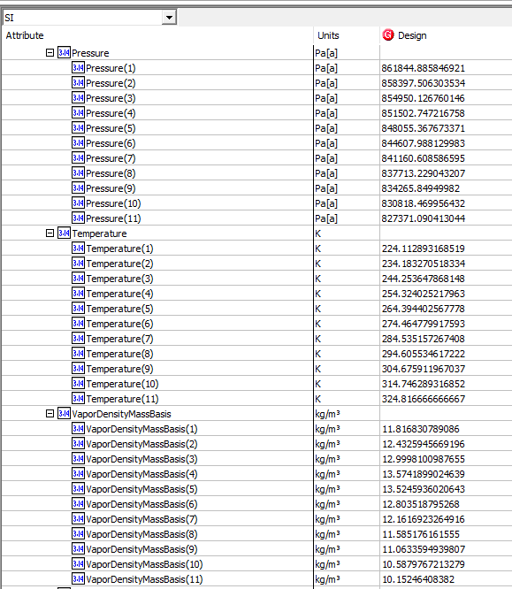
 | Enthalpy | ColdSideCurves.EnthalpyMoleBasis(11) | ColdSide.FluidProfilesTable.EnthalpyMoleBasis(11) | -73746.173331 | kJ/kgmole
Curves | Light Liq. Density | ColdSideCurves.LiquidDensityMassBasis(1) | ColdSide.FluidProfilesTable.LiquidDensityMassBasis(1) | 530.64517479 | kg/m3
 | Light Liq. Density | ColdSideCurves.LiquidDensityMassBasis(2) | ColdSide.FluidProfilesTable.LiquidDensityMassBasis(2) | 526.97805942 | kg/m3
 | Light Liq. Density | ColdSideCurves.LiquidDensityMassBasis(3) | ColdSide.FluidProfilesTable.LiquidDensityMassBasis(3) | 524.84271598 | kg/m3
 | Light Liq. Density | ColdSideCurves.LiquidDensityMassBasis(4) | ColdSide.FluidProfilesTable.LiquidDensityMassBasis(4) | 522.56852451 | kg/m3
 | Light Liq. Density | ColdSideCurves.LiquidDensityMassBasis(5) | ColdSide.FluidProfilesTable.LiquidDensityMassBasis(5) | <empty> | kg/m3
 | Light Liq. Density | ColdSideCurves.LiquidDensityMassBasis(6) | ColdSide.FluidProfilesTable.LiquidDensityMassBasis(6) | <empty> | kg/m3
 | Light Liq. Density | ColdSideCurves.LiquidDensityMassBasis(7) | ColdSide.FluidProfilesTable.LiquidDensityMassBasis(7) | <empty> | kg/m3
 | Light Liq. Density | ColdSideCurves.LiquidDensityMassBasis(8) | ColdSide.FluidProfilesTable.LiquidDensityMassBasis(8) | <empty> | kg/m3
 | Light Liq. Density | ColdSideCurves.LiquidDensityMassBasis(9) | ColdSide.FluidProfilesTable.LiquidDensityMassBasis(9) | <empty> | kg/m3
 | Light Liq. Density | ColdSideCurves.LiquidDensityMassBasis(10) | ColdSide.FluidProfilesTable.LiquidDensityMassBasis(10) | <empty> | kg/m3
 | Light Liq. Density | ColdSideCurves.LiquidDensityMassBasis(11) | ColdSide.FluidProfilesTable.LiquidDensityMassBasis(11) | <empty> | kg/m3
Curves | Light Liq. Mass Flow | ColdSide.Curves.LiquidMassFlow(1) | ColdSide.FluidProfilesTable.LiquidMassFlow(1) | 1765.066712 | kg/h
 | Light Liq. Mass Flow | ColdSide.Curves.LiquidMassFlow(2) | ColdSide.FluidProfilesTable.LiquidMassFlow(2) | 1452.4222828 | kg/h
 | Light Liq. Mass Flow | ColdSide.Curves.LiquidMassFlow(3) | ColdSide.FluidProfilesTable.LiquidMassFlow(3) | 1006.9382755 | kg/h
 | Light Liq. Mass Flow | ColdSide.Curves.LiquidMassFlow(4) | ColdSide.FluidProfilesTable.LiquidMassFlow(4) | 407.08631304 | kg/h
 | Light Liq. Mass Flow | ColdSide.Curves.LiquidMassFlow(5) | ColdSide.FluidProfilesTable.LiquidMassFlow(5) | <empty> | kg/h
 | Light Liq. Mass Flow | ColdSide.Curves.LiquidMassFlow(6) | ColdSide.FluidProfilesTable.LiquidMassFlow(6) | <empty> | kg/h
 | Light Liq. Mass Flow | ColdSide.Curves.LiquidMassFlow(7) | ColdSide.FluidProfilesTable.LiquidMassFlow(7) | <empty> | kg/h
 | Light Liq. Mass Flow | ColdSide.Curves.LiquidMassFlow(8) | ColdSide.FluidProfilesTable.LiquidMassFlow(8) | <empty> | kg/h
 | Light Liq. Mass Flow | ColdSide.Curves.LiquidMassFlow(9) | ColdSide.FluidProfilesTable.LiquidMassFlow(9) | <empty> | kg/h
 | Light Liq. Mass Flow | ColdSide.Curves.LiquidMassFlow(10) | ColdSide.FluidProfilesTable.LiquidMassFlow(10) | <empty> | kg/h
 | Light Liq. Mass Flow | ColdSide.Curves.LiquidMassFlow(11) | ColdSide.FluidProfilesTable.LiquidMassFlow(11) | <empty> | kg/h
Curves | Light Liq. Surface Tension | ColdSide.Curves.LiquidSurfaceTension (1) | ColdSide.FluidProfilesTable.LiquidSurfaceTension(1) | 11.654875968 | dyne/cm
 | Light Liq. Surface Tension | ColdSide.Curves.LiquidSurfaceTension (2) | ColdSide.FluidProfilesTable.LiquidSurfaceTension(2) | 10.964679756 | dyne/cm
 | Light Liq. Surface Tension | ColdSide.Curves.LiquidSurfaceTension (3) | ColdSide.FluidProfilesTable.LiquidSurfaceTension(3) | 10.415251297 | dyne/cm
 | Light Liq. Surface Tension | ColdSide.Curves.LiquidSurfaceTension (4) | ColdSide.FluidProfilesTable.LiquidSurfaceTension(4) | 9.9168442872 | dyne/cm
 | Light Liq. Surface Tension | ColdSide.Curves.LiquidSurfaceTension (5) | ColdSide.FluidProfilesTable.LiquidSurfaceTension(5) | <empty> | dyne/cm
 | Light Liq. Surface Tension | ColdSide.Curves.LiquidSurfaceTension (6) | ColdSide.FluidProfilesTable.LiquidSurfaceTension(6) | <empty> | dyne/cm
 | Light Liq. Surface Tension | ColdSide.Curves.LiquidSurfaceTension (7) | ColdSide.FluidProfilesTable.LiquidSurfaceTension(7) | <empty> | dyne/cm
 | Light Liq. Surface Tension | ColdSide.Curves.LiquidSurfaceTension (8) | ColdSide.FluidProfilesTable.LiquidSurfaceTension(8) | <empty> | dyne/cm
 | Light Liq. Surface Tension | ColdSide.Curves.LiquidSurfaceTension (9) | ColdSide.FluidProfilesTable.LiquidSurfaceTension(9) | <empty> | dyne/cm
 | Light Liq. Surface Tension | ColdSide.Curves.LiquidSurfaceTension (10) | ColdSide.FluidProfilesTable.LiquidSurfaceTension(10) | <empty> | dyne/cm
 | Light Liq. Surface Tension | ColdSide.Curves.LiquidSurfaceTension (11) | ColdSide.FluidProfilesTable.LiquidSurfaceTension(11) | <empty> | dyne/cm
Curves | Light Liq. Thermal Conductivity | ColdSide.Curves.LiquidThermalConductivity(1) | ColdSide.FluidProfilesTable.LiquidThermalConductivity(1) | 0.12725638548 | W/m-K
 | Light Liq. Thermal Conductivity | ColdSide.Curves.LiquidThermalConductivity(2) | ColdSide.FluidProfilesTable.LiquidThermalConductivity(2) | 0.12259970351 | W/m-K
 | Light Liq. Thermal Conductivity | ColdSide.Curves.LiquidThermalConductivity(3) | ColdSide.FluidProfilesTable.LiquidThermalConductivity(3) | 0.1179806547 | W/m-K
 | Light Liq. Thermal Conductivity | ColdSide.Curves.LiquidThermalConductivity(4) | ColdSide.FluidProfilesTable.LiquidThermalConductivity(4) | 0.11356693573 | W/m-K
 | Light Liq. Thermal Conductivity | ColdSide.Curves.LiquidThermalConductivity(5) | ColdSide.FluidProfilesTable.LiquidThermalConductivity(5) | <empty> | W/m-K
 | Light Liq. Thermal Conductivity | ColdSide.Curves.LiquidThermalConductivity(6) | ColdSide.FluidProfilesTable.LiquidThermalConductivity(6) | <empty> | W/m-K
 | Light Liq. Thermal Conductivity | ColdSide.Curves.LiquidThermalConductivity(7) | ColdSide.FluidProfilesTable.LiquidThermalConductivity(7) | <empty> | W/m-K
 | Light Liq. Thermal Conductivity | ColdSide.Curves.LiquidThermalConductivity(8) | ColdSide.FluidProfilesTable.LiquidThermalConductivity(8) | <empty> | W/m-K
 | Light Liq. Thermal Conductivity | ColdSide.Curves.LiquidThermalConductivity(9) | ColdSide.FluidProfilesTable.LiquidThermalConductivity(9) | <empty> | W/m-K
 | Light Liq. Thermal Conductivity | ColdSide.Curves.LiquidThermalConductivity(10) | ColdSide.FluidProfilesTable.LiquidThermalConductivity(10) | <empty> | W/m-K
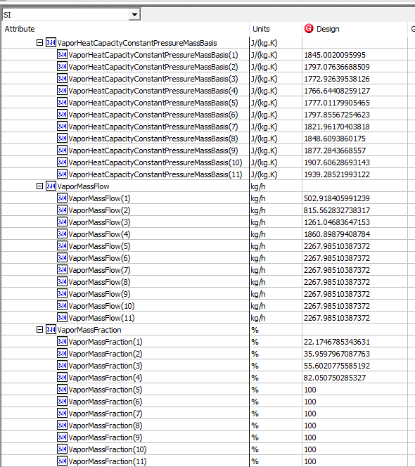
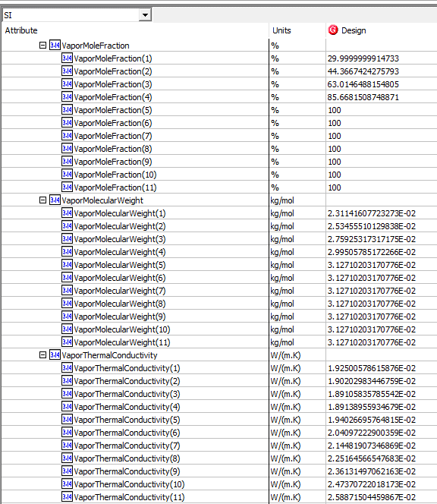
 | Light Liq. Thermal Conductivity | ColdSide.Curves.LiquidThermalConductivity(11) | ColdSide.FluidProfilesTable.LiquidThermalConductivity(11) | <empty> | W/m-K
Curves | Liquid Mass Specific Heat | ColdSide.Curves.LiquidSpecificHeat(1) | ColdSide.FluidProfilesTable.LiquidSpecificHeat(1) | 2.4328636127 | kJ/kg-C
 | Liquid Mass Specific Heat | ColdSide.Curves.LiquidSpecificHeat(2) | ColdSide.FluidProfilesTable.LiquidSpecificHeat(2) | 2.468708789 | kJ/kg-C
 | Liquid Mass Specific Heat | ColdSide.Curves.LiquidSpecificHeat(3) | ColdSide.FluidProfilesTable.LiquidSpecificHeat(3) | 2.4974334547 | kJ/kg-C
 | Liquid Mass Specific Heat | ColdSide.Curves.LiquidSpecificHeat(4) | ColdSide.FluidProfilesTable.LiquidSpecificHeat(4) | 2.5291322766 | kJ/kg-C
 | Liquid Mass Specific Heat | ColdSide.Curves.LiquidSpecificHeat(5) | ColdSide.FluidProfilesTable.LiquidSpecificHeat(5) | <empty> | kJ/kg-C
 | Liquid Mass Specific Heat | ColdSide.Curves.LiquidSpecificHeat(6) | ColdSide.FluidProfilesTable.LiquidSpecificHeat(6) | <empty> | kJ/kg-C
 | Liquid Mass Specific Heat | ColdSide.Curves.LiquidSpecificHeat(7) | ColdSide.FluidProfilesTable.LiquidSpecificHeat(7) | <empty> | kJ/kg-C
 | Liquid Mass Specific Heat | ColdSide.Curves.LiquidSpecificHeat(8) | ColdSide.FluidProfilesTable.LiquidSpecificHeat(8) | <empty> | kJ/kg-C
 | Liquid Mass Specific Heat | ColdSide.Curves.LiquidSpecificHeat(9) | ColdSide.FluidProfilesTable.LiquidSpecificHeat(9) | <empty> | kJ/kg-C
 | Liquid Mass Specific Heat | ColdSide.Curves.LiquidSpecificHeat(10) | ColdSide.FluidProfilesTable.LiquidSpecificHeat(10) | <empty> | kJ/kg-C
 | Liquid Mass Specific Heat | ColdSide.Curves.LiquidSpecificHeat(11) | ColdSide.FluidProfilesTable.LiquidSpecificHeat(11) | <empty> | kJ/kg-C
Curves | Light Liq. Viscosity | ColdSide.Curves.LiquidViscosity(1) | ColdSide.FluidProfilesTable.LiquidViscosity(1) | 0.1355266139 | cP
 | Light Liq. Viscosity | ColdSide.Curves.LiquidViscosity(2) | ColdSide.FluidProfilesTable.LiquidViscosity(2) | 0.13030737339 | cP
 | Light Liq. Viscosity | ColdSide.Curves.LiquidViscosity(3) | ColdSide.FluidProfilesTable.LiquidViscosity(3) | 0.12708045531 | cP
 | Light Liq. Viscosity | ColdSide.Curves.LiquidViscosity(4) | ColdSide.FluidProfilesTable.LiquidViscosity(4) | 0.12400512773 | cP
 | Light Liq. Viscosity | ColdSide.Curves.LiquidViscosity(5) | ColdSide.FluidProfilesTable.LiquidViscosity(5) | <empty> | cP
 | Light Liq. Viscosity | ColdSide.Curves.LiquidViscosity(6) | ColdSide.FluidProfilesTable.LiquidViscosity(6) | <empty> | cP
 | Light Liq. Viscosity | ColdSide.Curves.LiquidViscosity(7) | ColdSide.FluidProfilesTable.LiquidViscosity(7) | <empty> | cP
 | Light Liq. Viscosity | ColdSide.Curves.LiquidViscosity(8) | ColdSide.FluidProfilesTable.LiquidViscosity(8) | <empty> | cP
 | Light Liq. Viscosity | ColdSide.Curves.LiquidViscosity(9) | ColdSide.FluidProfilesTable.LiquidViscosity(9) | <empty> | cP
 | Light Liq. Viscosity | ColdSide.Curves.LiquidViscosity(10) | ColdSide.FluidProfilesTable.LiquidViscosity(10) | <empty> | cP
 | Light Liq. Viscosity | ColdSide.Curves.LiquidViscosity(11) | ColdSide.FluidProfilesTable.LiquidViscosity(11) | <empty> | cP
Curves | Pressure | ColdSide.Curves.Pressure (1) | ColdSide.FluidProfilesTable.Pressure (1) | 861.84488585 | kPa
 | Pressure | ColdSide.Curves.Pressure (2) | ColdSide.FluidProfilesTable.Pressure (2) | 858.3975063 | kPa
 | Pressure | ColdSide.Curves.Pressure (3) | ColdSide.FluidProfilesTable.Pressure (3) | 854.95012676 | kPa
 | Pressure | ColdSide.Curves.Pressure (4) | ColdSide.FluidProfilesTable.Pressure (4) | 851.50274722 | kPa
 | Pressure | ColdSide.Curves.Pressure (5) | ColdSide.FluidProfilesTable.Pressure (5) | 848.05536767 | kPa
 | Pressure | ColdSide.Curves.Pressure (6) | ColdSide.FluidProfilesTable.Pressure (6) | 844.60798813 | kPa
 | Pressure | ColdSide.Curves.Pressure (7) | ColdSide.FluidProfilesTable.Pressure (7) | 841.16060859 | kPa
 | Pressure | ColdSide.Curves.Pressure (8) | ColdSide.FluidProfilesTable.Pressure (8) | 837.71322904 | kPa
 | Pressure | ColdSide.Curves.Pressure (9) | ColdSide.FluidProfilesTable.Pressure (9) | 834.2658495 | kPa
 | Pressure | ColdSide.Curves.Pressure (10) | ColdSide.FluidProfilesTable.Pressure (10) | 830.81846996 | kPa
 | Pressure | ColdSide.Curves.Pressure (11) | ColdSide.FluidProfilesTable.Pressure (11) | 827.37109041 | kPa
Curves | Temperature | ColdSide.Curves.Temperature(1) | ColdSide.FluidProfilesTable.Temperature(1) | 224.11289317 | K
 | Temperature | ColdSide.Curves.Temperature(2) | ColdSide.FluidProfilesTable.Temperature(2) | 234.18327052 | K
 | Temperature | ColdSide.Curves.Temperature(3) | ColdSide.FluidProfilesTable.Temperature(3) | 244.25364787 | K
 | Temperature | ColdSide.Curves.Temperature(4) | ColdSide.FluidProfilesTable.Temperature(4) | 254.32402522 | K
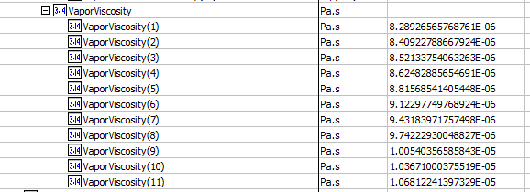
 | Temperature | ColdSide.Curves.Temperature(5) | ColdSide.FluidProfilesTable.Temperature(5) | 264.39440257 | K
 | Temperature | ColdSide.Curves.Temperature(6) | ColdSide.FluidProfilesTable.Temperature(6) | 274.46477992 | K
 | Temperature | ColdSide.Curves.Temperature(7) | ColdSide.FluidProfilesTable.Temperature(7) | 284.53515727 | K
 | Temperature | ColdSide.Curves.Temperature(8) | ColdSide.FluidProfilesTable.Temperature(8) | 294.60553462 | K
 | Temperature | ColdSide.Curves.Temperature(9) | ColdSide.FluidProfilesTable.Temperature(9) | 304.67591197 | K
 | Temperature | ColdSide.Curves.Temperature(10) | ColdSide.FluidProfilesTable.Temperature(10) | 314.74628932 | K
 | Temperature | ColdSide.Curves.Temperature(11) | ColdSide.FluidProfilesTable.Temperature(11) | 324.81666667 | K
Curves | Vapor Density | ColdSideCurves.VaporDensityMassBasis(1) | ColdSide.FluidProfilesTable.VaporDensityMassBasis(1) | 11.816830789 | kg/m3
 | Vapor Density | ColdSideCurves.VaporDensityMassBasis(2) | ColdSide.FluidProfilesTable.VaporDensityMassBasis(2) | 12.432594567 | kg/m3
 | Vapor Density | ColdSideCurves.VaporDensityMassBasis(3) | ColdSide.FluidProfilesTable.VaporDensityMassBasis(3) | 12.999810099 | kg/m3
 | Vapor Density | ColdSideCurves.VaporDensityMassBasis(4) | ColdSide.FluidProfilesTable.VaporDensityMassBasis(4) | 13.574189902 | kg/m3
 | Vapor Density | ColdSideCurves.VaporDensityMassBasis(5) | ColdSide.FluidProfilesTable.VaporDensityMassBasis(5) | 13.524593602 | kg/m3
 | Vapor Density | ColdSideCurves.VaporDensityMassBasis(6) | ColdSide.FluidProfilesTable.VaporDensityMassBasis(6) | 12.803518795 | kg/m3
 | Vapor Density | ColdSideCurves.VaporDensityMassBasis(7) | ColdSide.FluidProfilesTable.VaporDensityMassBasis(7) | 12.161692326 | kg/m3
 | Vapor Density | ColdSideCurves.VaporDensityMassBasis(8) | ColdSide.FluidProfilesTable.VaporDensityMassBasis(8) | 11.585176162 | kg/m3
 | Vapor Density | ColdSideCurves.VaporDensityMassBasis(9) | ColdSide.FluidProfilesTable.VaporDensityMassBasis(9) | 11.063359494 | kg/m3
 | Vapor Density | ColdSideCurves.VaporDensityMassBasis(10) | ColdSide.FluidProfilesTable.VaporDensityMassBasis(10) | 10.587976721 | kg/m3
 | Vapor Density | ColdSideCurves.VaporDensityMassBasis(11) | ColdSide.FluidProfilesTable.VaporDensityMassBasis(11) | 10.152464084 | kg/m3
Curves | Vapor Mass Flow | ColdSide.Curves.VaporMassFlow(1) | ColdSide.FluidProfilesTable.VaporMassFlow(1) | 502.91841001 | kg/h
 | Vapor Mass Flow | ColdSide.Curves.VaporMassFlow(2) | ColdSide.FluidProfilesTable.VaporMassFlow(2) | 815.56283926 | kg/h
 | Vapor Mass Flow | ColdSide.Curves.VaporMassFlow(3) | ColdSide.FluidProfilesTable.VaporMassFlow(3) | 1261.0468466 | kg/h
 | Vapor Mass Flow | ColdSide.Curves.VaporMassFlow(4) | ColdSide.FluidProfilesTable.VaporMassFlow(4) | 1860.898809 | kg/h
 | Vapor Mass Flow | ColdSide.Curves.VaporMassFlow(5) | ColdSide.FluidProfilesTable.VaporMassFlow(5) | 2267.985122 | kg/h
 | Vapor Mass Flow | ColdSide.Curves.VaporMassFlow(6) | ColdSide.FluidProfilesTable.VaporMassFlow(6) | 2267.985122 | kg/h
 | Vapor Mass Flow | ColdSide.Curves.VaporMassFlow(7) | ColdSide.FluidProfilesTable.VaporMassFlow(7) | 2267.985122 | kg/h
 | Vapor Mass Flow | ColdSide.Curves.VaporMassFlow(8) | ColdSide.FluidProfilesTable.VaporMassFlow(8) | 2267.985122 | kg/h
 | Vapor Mass Flow | ColdSide.Curves.VaporMassFlow(9) | ColdSide.FluidProfilesTable.VaporMassFlow(9) | 2267.985122 | kg/h
 | Vapor Mass Flow | ColdSide.Curves.VaporMassFlow(10) | ColdSide.FluidProfilesTable.VaporMassFlow(10) | 2267.985122 | kg/h
 | Vapor Mass Flow | ColdSide.Curves.VaporMassFlow(11) | ColdSide.FluidProfilesTable.VaporMassFlow(11) | 2267.985122 | kg/h
Curves | Vapor Phase Mass Fraction | ColdSide.Curves.VaporMassFraction(1) | ColdSide.FluidProfilesTable.VaporMassFraction(1) | 0.22174678534
 | Vapor Phase Mass Fraction | ColdSide.Curves.VaporMassFraction(2) | ColdSide.FluidProfilesTable.VaporMassFraction(2) | 0.35959796709
 | Vapor Phase Mass Fraction | ColdSide.Curves.VaporMassFraction(3) | ColdSide.FluidProfilesTable.VaporMassFraction(3) | 0.55602077559
 | Vapor Phase Mass Fraction | ColdSide.Curves.VaporMassFraction(4) | ColdSide.FluidProfilesTable.VaporMassFraction(4) | 0.82050750285
 | Vapor Phase Mass Fraction | ColdSide.Curves.VaporMassFraction(5) | ColdSide.FluidProfilesTable.VaporMassFraction(5) | 1
 | Vapor Phase Mass Fraction | ColdSide.Curves.VaporMassFraction(6) | ColdSide.FluidProfilesTable.VaporMassFraction(6) | 1
 | Vapor Phase Mass Fraction | ColdSide.Curves.VaporMassFraction(7) | ColdSide.FluidProfilesTable.VaporMassFraction(7) | 1
 | Vapor Phase Mass Fraction | ColdSide.Curves.VaporMassFraction(8) | ColdSide.FluidProfilesTable.VaporMassFraction(8) | 1
 | Vapor Phase Mass Fraction | ColdSide.Curves.VaporMassFraction(9) | ColdSide.FluidProfilesTable.VaporMassFraction(9) | 1
 | Vapor Phase Mass Fraction | ColdSide.Curves.VaporMassFraction(10) | ColdSide.FluidProfilesTable.VaporMassFraction(10) | 1
 | Vapor Phase Mass Fraction | ColdSide.Curves.VaporMassFraction(11) | ColdSide.FluidProfilesTable.VaporMassFraction(11) | 1
Curves | Vapor Frac. | ColdSide.Curves.VaporMoleFraction(1) | ColdSide.FluidProfilesTable.VaporMoleFraction(1) | 0.29999999991
 | Vapor Frac. | ColdSide.Curves.VaporMoleFraction(2) | ColdSide.FluidProfilesTable.VaporMoleFraction(2) | 0.44366742428
 | Vapor Frac. | ColdSide.Curves.VaporMoleFraction(3) | ColdSide.FluidProfilesTable.VaporMoleFraction(3) | 0.63014648815
 | Vapor Frac. | ColdSide.Curves.VaporMoleFraction(4) | ColdSide.FluidProfilesTable.VaporMoleFraction(4) | 0.85668150875
 | Vapor Frac. | ColdSide.Curves.VaporMoleFraction(5) | ColdSide.FluidProfilesTable.VaporMoleFraction(5) | 1
 | Vapor Frac. | ColdSide.Curves.VaporMoleFraction(6) | ColdSide.FluidProfilesTable.VaporMoleFraction(6) | 1
 | Vapor Frac. | ColdSide.Curves.VaporMoleFraction(7) | ColdSide.FluidProfilesTable.VaporMoleFraction(7) | 1
 | Vapor Frac. | ColdSide.Curves.VaporMoleFraction(8) | ColdSide.FluidProfilesTable.VaporMoleFraction(8) | 1
 | Vapor Frac. | ColdSide.Curves.VaporMoleFraction(9) | ColdSide.FluidProfilesTable.VaporMoleFraction(9) | 1
 | Vapor Frac. | ColdSide.Curves.VaporMoleFraction(10) | ColdSide.FluidProfilesTable.VaporMoleFraction(10) | 1
 | Vapor Frac. | ColdSide.Curves.VaporMoleFraction(11) | ColdSide.FluidProfilesTable.VaporMoleFraction(11) | 1
Curves | Vapor Mas Specific Heat | ColdSide.Curves.VaporSpecificHeat(1) | ColdSide.FluidProfilesTable.VaporSpecificHeat(1) | 1.8450020096 | kJ/kg-C
 | Vapor Mas Specific Heat | ColdSide.Curves.VaporSpecificHeat(2) | ColdSide.FluidProfilesTable.VaporSpecificHeat(2) | 1.7970763669 | kJ/kg-C
 | Vapor Mas Specific Heat | ColdSide.Curves.VaporSpecificHeat(3) | ColdSide.FluidProfilesTable.VaporSpecificHeat(3) | 1.7729263954 | kJ/kg-C
 | Vapor Mas Specific Heat | ColdSide.Curves.VaporSpecificHeat(4) | ColdSide.FluidProfilesTable.VaporSpecificHeat(4) | 1.7666440826 | kJ/kg-C
 | Vapor Mas Specific Heat | ColdSide.Curves.VaporSpecificHeat(5) | ColdSide.FluidProfilesTable.VaporSpecificHeat(5) | 1.7770117991 | kJ/kg-C
 | Vapor Mas Specific Heat | ColdSide.Curves.VaporSpecificHeat(6) | ColdSide.FluidProfilesTable.VaporSpecificHeat(6) | 1.7978556725 | kJ/kg-C
 | Vapor Mas Specific Heat | ColdSide.Curves.VaporSpecificHeat(7) | ColdSide.FluidProfilesTable.VaporSpecificHeat(7) | 1.821961704 | kJ/kg-C
 | Vapor Mas Specific Heat | ColdSide.Curves.VaporSpecificHeat(8) | ColdSide.FluidProfilesTable.VaporSpecificHeat(8) | 1.848609386 | kJ/kg-C
 | Vapor Mas Specific Heat | ColdSide.Curves.VaporSpecificHeat(9) | ColdSide.FluidProfilesTable.VaporSpecificHeat(9) | 1.8772843669 | kJ/kg-C
 | Vapor Mas Specific Heat | ColdSide.Curves.VaporSpecificHeat(10) | ColdSide.FluidProfilesTable.VaporSpecificHeat(10) | 1.9076062869 | kJ/kg-C
 | Vapor Mas Specific Heat | ColdSide.Curves.VaporSpecificHeat(11) | ColdSide.FluidProfilesTable.VaporSpecificHeat(11) | 1.9392852199 | kJ/kg-C
Curves | Vapor MV | ColdSide.Curves.VaporMolecularWeight(1) | ColdSide.FluidProfilesTable.VaporMolecularWeight(1) | 23.114160772 | g/mol
 | Vapor MV | ColdSide.Curves.VaporMolecularWeight(2) | ColdSide.FluidProfilesTable.VaporMolecularWeight(2) | 25.345551013 | g/mol
 | Vapor MV | ColdSide.Curves.VaporMolecularWeight(3) | ColdSide.FluidProfilesTable.VaporMolecularWeight(3) | 27.592531732 | g/mol
 | Vapor MV | ColdSide.Curves.VaporMolecularWeight(4) | ColdSide.FluidProfilesTable.VaporMolecularWeight(4) | 29.950578517 | g/mol
 | Vapor MV | ColdSide.Curves.VaporMolecularWeight(5) | ColdSide.FluidProfilesTable.VaporMolecularWeight(5) | 31.271020317 | g/mol
 | Vapor MV | ColdSide.Curves.VaporMolecularWeight(6) | ColdSide.FluidProfilesTable.VaporMolecularWeight(6) | 31.271020317 | g/mol
 | Vapor MV | ColdSide.Curves.VaporMolecularWeight(7) | ColdSide.FluidProfilesTable.VaporMolecularWeight(7) | 31.271020317 | g/mol
 | Vapor MV | ColdSide.Curves.VaporMolecularWeight(8) | ColdSide.FluidProfilesTable.VaporMolecularWeight(8) | 31.271020317 | g/mol
 | Vapor MV | ColdSide.Curves.VaporMolecularWeight(9) | ColdSide.FluidProfilesTable.VaporMolecularWeight(9) | 31.271020317 | g/mol
 | Vapor MV | ColdSide.Curves.VaporMolecularWeight(10) | ColdSide.FluidProfilesTable.VaporMolecularWeight(10) | 31.271020317 | g/mol
 | Vapor MV | ColdSide.Curves.VaporMolecularWeight(11) | ColdSide.FluidProfilesTable.VaporMolecularWeight(11) | 31.271020317 | g/mol
Curves | Vapor Thermal Cond. | ColdSide.Curves.VaporThermalConductivity(1) | ColdSide.FluidProfilesTable.VaporThermalConductivity(1) | 0.019250057862 | W/m-K
 | Vapor Thermal Cond. | ColdSide.Curves.VaporThermalConductivity(2) | ColdSide.FluidProfilesTable.VaporThermalConductivity(2) | 0.019020298345 | W/m-K
 | Vapor Thermal Cond. | ColdSide.Curves.VaporThermalConductivity(3) | ColdSide.FluidProfilesTable.VaporThermalConductivity(3) | 0.018910583579 | W/m-K
 | Vapor Thermal Cond. | ColdSide.Curves.VaporThermalConductivity(4) | ColdSide.FluidProfilesTable.VaporThermalConductivity(4) | 0.018913895593 | W/m-K
 | Vapor Thermal Cond. | ColdSide.Curves.VaporThermalConductivity(5) | ColdSide.FluidProfilesTable.VaporThermalConductivity(5) | 0.019402669576 | W/m-K
 | Vapor Thermal Cond. | ColdSide.Curves.VaporThermalConductivity(6) | ColdSide.FluidProfilesTable.VaporThermalConductivity(6) | 0.02040972229 | W/m-K
 | Vapor Thermal Cond. | ColdSide.Curves.VaporThermalConductivity(7) | ColdSide.FluidProfilesTable.VaporThermalConductivity(7) | 0.021448190735 | W/m-K
 | Vapor Thermal Cond. | ColdSide.Curves.VaporThermalConductivity(8) | ColdSide.FluidProfilesTable.VaporThermalConductivity(8) | 0.022516456655 | W/m-K
 | Vapor Thermal Cond. | ColdSide.Curves.VaporThermalConductivity(9) | ColdSide.FluidProfilesTable.VaporThermalConductivity(9) | 0.023613149706 | W/m-K
 | Vapor Thermal Cond. | ColdSide.Curves.VaporThermalConductivity(10) | ColdSide.FluidProfilesTable.VaporThermalConductivity(10) | 0.024737072202 | W/m-K
 | Vapor Thermal Cond. | ColdSide.Curves.VaporThermalConductivity(11) | ColdSide.FluidProfilesTable.VaporThermalConductivity(11) | 0.025887150446 | W/m-K
Curves | Vapor Viscosity | ColdSide.Curves.VaporViscosity(1) | ColdSide.FluidProfilesTable.VaporViscosity(1) | 0.0082892656577 | cP
 | Vapor Viscosity | ColdSide.Curves.VaporViscosity(2) | ColdSide.FluidProfilesTable.VaporViscosity(2) | 0.0084092278867 | cP
 | Vapor Viscosity | ColdSide.Curves.VaporViscosity(3) | ColdSide.FluidProfilesTable.VaporViscosity(3) | 0.0085213375406 | cP
 | Vapor Viscosity | ColdSide.Curves.VaporViscosity(4) | ColdSide.FluidProfilesTable.VaporViscosity(4) | 0.0086248288565 | cP
 | Vapor Viscosity | ColdSide.Curves.VaporViscosity(5) | ColdSide.FluidProfilesTable.VaporViscosity(5) | 0.0088156854141 | cP
 | Vapor Viscosity | ColdSide.Curves.VaporViscosity(6) | ColdSide.FluidProfilesTable.VaporViscosity(6) | 0.0091229774977 | cP
 | Vapor Viscosity | ColdSide.Curves.VaporViscosity(7) | ColdSide.FluidProfilesTable.VaporViscosity(7) | 0.0094318397176 | cP
 | Vapor Viscosity | ColdSide.Curves.VaporViscosity(8) | ColdSide.FluidProfilesTable.VaporViscosity(8) | 0.0097422293005 | cP
 | Vapor Viscosity | ColdSide.Curves.VaporViscosity(9) | ColdSide.FluidProfilesTable.VaporViscosity(9) | 0.010054035659 | cP
 | Vapor Viscosity | ColdSide.Curves.VaporViscosity(10) | ColdSide.FluidProfilesTable.VaporViscosity(10) | 0.010367100038 | cP
 | Vapor Viscosity | ColdSide.Curves.VaporViscosity(11) | ColdSide.FluidProfilesTable.VaporViscosity(11) | 0.01068122414 | cP

